basic
WORKBOOK

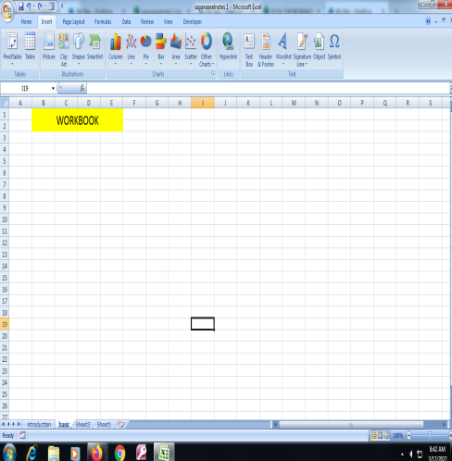
 | workbook is a file that contains one or more worksheets to help you organize data.

WORKSHEET

 |  | An Excel worksheet is a grid of cells. It can contain data, tables, charts, etc

CELL NAME

cell in the spreadsheet has a corresponding name, which is identified by its column letter and row number.

FORMULA BAR

Excel formula bar is a special toolbar at the top of the Excel worksheet window, labeled with function symbol (fx).

RIBBON

Microsoft Excel ribbon is the row of tabs and icons at the top of the Excel window

charts
CHARTS
Shortcut key ALT +1

 | ANNUAL SALES
 |  | ONLINE SALES | STORE SALES
 | TSHIRT | 40000 | 25000
 | JOGGERS | 300000 | 200000
 | JORDANS | 300000 | 150000

definations?
A chart is a tool you can use in excel to communacate data graphically. Charts allow your audience to see the meaning behind the numbers, and they make showing comparisons and trends much easier.

project
LINK TO MY PROJECT




STUDENTS MARKSHEET |  |  | EMPLOYEE PAYROLL

 |  | sdfdsf

 | STUDENT MARKSHEET

